CARB 2020_F-gases
California High GWP Gases Inventory for 2000-2018 — by Category as Defined in the 2008 Scoping Plan
https://ww3.arb.ca.gov/cc/inventory/data/tables/ghg_inventory_scopingplan_2000-18hgwp.pdf
million tonnes of CO2 equivalent - (based upon IPCC Fourth Assessment Report's 100-yr Global Warming Potentials)

Historic CARB Data |  |  |  |  |  |  |  |  |  |  |  |  |  |  |  |  |  |  |  | E3 Estimates for Trend Calibration
Year | 2000 | 2001 | 2002 | 2003 | 2004 | 2005 | 2006 | 2007 | 2008 | 2009 | 2010 | 2011 | 2012 | 2013 | 2014 | 2015 | 2016 | 2017 | 2018 | 2030 | 2050
Period | 1 | 2 | 3 | 4 | 5 | 6 | 7 | 8 | 9 | 10 | 11 | 12 | 13 | 14 | 15 | 16 | 17 | 18 | 19 | 31 | 51
Ozone Depleting Substance (ODS) Substitutes | 5.57 | 6.01 | 6.52 | 7.2 | 7.95 | 8.75 | 9.64 | 10.43 | 11.27 | 11.96 | 13.2 | 14.21 | 15.25 | 16.38 | 17.42 | 18.32 | 19 | 19.64 | 20.15 | 23.4 | 30.6
Electricity Grid SF6 Losses | 0.51 | 0.49 | 0.44 | 0.42 | 0.4 | 0.37 | 0.33 | 0.29 | 0.3 | 0.27 | 0.24 | 0.24 | 0.24 | 0.29 | 0.17 | 0.14 | 0.1 | 0.18 | 0.14
Semiconductor Manufacturing | 0.2 | 0.14 | 0.12 | 0.14 | 0.14 | 0.14 | 0.14 | 0.1 | 0.08 | 0.06 | 0.08 | 0.08 | 0.06 | 0.08 | 0.14 | 0.14 | 0.16 | 0.17 | 0.17

Non-ODS Total | 0.71 | 0.63 | 0.56 | 0.56 | 0.54 | 0.51 | 0.47 | 0.39 | 0.38 | 0.33 | 0.32 | 0.32 | 0.3 | 0.37 | 0.31 | 0.28 | 0.26 | 0.35 | 0.31

Future Year Projections
Year | 2019 | 2020 | 2021 | 2022 | 2023 | 2024 | 2025 | 2026 | 2027 | 2028 | 2029 | 2030 | 2031 | 2032 | 2033 | 2034 | 2035 | 2036 | 2037 | 2038 | 2039 | 2040 | 2041 | 2042 | 2043 | 2044 | 2045 | 2046 | 2047 | 2048 | 2049 | 2050
Period | 20 | 21 | 22 | 23 | 24 | 25 | 26 | 27 | 28 | 29 | 30 | 31 | 32 | 33 | 34 | 35 | 36 | 37 | 38 | 39 | 40 | 41 | 42 | 43 | 44 | 45 | 46 | 47 | 48 | 49 | 50 | 51
Ozone Depleting Substance (ODS) Substitutes | 20.0154 | 20.6347 | 21.2348 | 21.8157 | 22.3774 | 22.9199 | 23.4432 | 23.9473 | 24.4322 | 24.8979 | 25.3444 | 25.7717 | 26.1798 | 26.5687 | 26.9384 | 27.2889 | 27.6202 | 27.9323 | 28.2252 | 28.4989 | 28.7534 | 28.9887 | 29.2048 | 29.4017 | 29.5794 | 29.7379 | 29.8772 | 29.9973 | 30.0982 | 30.1799 | 30.2424 | 30.2857
Electricity Grid SF6 Losses | 0.0871 | 0.0665 | 0.0459 | 0.0253 | 0.0047 | 0 | 0 | 0 | 0 | 0 | 0 | 0 | 0 | 0 | 0 | 0 | 0 | 0 | 0 | 0 | 0 | 0 | 0 | 0 | 0 | 0 | 0 | 0 | 0 | 0 | 0 | 0
Semiconductor Manufacturing | 0.1179 | 0.1174 | 0.1169 | 0.1164 | 0.1159 | 0.1154 | 0.1149 | 0.1144 | 0.1139 | 0.1134 | 0.1129 | 0.1124 | 0.1119 | 0.1114 | 0.1109 | 0.1104 | 0.1099 | 0.1094 | 0.1089 | 0.1084 | 0.1079 | 0.1074 | 0.1069 | 0.1064 | 0.1059 | 0.1054 | 0.1049 | 0.1044 | 0.1039 | 0.1034 | 0.1029 | 0.1024

Non-ODS Total | 0.205 | 0.1839 | 0.1628 | 0.1417 | 0.1206 | 0.1154 | 0.1149 | 0.1144 | 0.1139 | 0.1134 | 0.1129 | 0.1124 | 0.1119 | 0.1114 | 0.1109 | 0.1104 | 0.1099 | 0.1094 | 0.1089 | 0.1084 | 0.1079 | 0.1074 | 0.1069 | 0.1064 | 0.1059 | 0.1054 | 0.1049 | 0.1044 | 0.1039 | 0.1034 | 0.1029 | 0.1024

Trend Estimation and Calibration
ODS Trend Estimation |  |  |  |  |  | Electricity Grid SF6 Losses Trend Estimation |  |  |  |  |  |  | Semiconductor Manufacturing Trend Estimation
Leading Coefficient | -0.0096 |  |  |  |  | Coefficient | -0.0206 |  |  |  |  |  | Coefficient | -0.0005
Second Coefficient | 1.0129 |  |  |  |  | Constant | 0.4991 |  |  |  |  |  | Constant | 0.1279
Constant | 3.5974
ODS Trend Estimation
Electricity Grid SF6 Losses Trend Estimation
Semiconductor Manufacturing Trend Estimation

E3 F-gas Estimates:

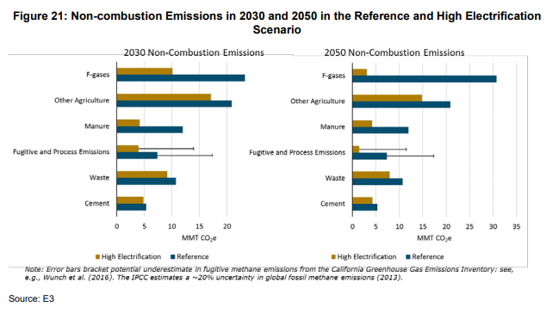
35 MMT = 205 px

160 px = 23.4 MMT
179 px = 30.6 MMT

20 MMT = 137 px

Estimations using online pixel ruler:
2030 F-gases | 23.4 | MMT CO2e
2050 F-gases | 30.6 | MMT CO2e

